Sheet1
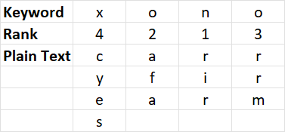

Plain Text | Keyword | Answer Expected
battle won | swan | tw to bln ae
spy on prowl | bee | sorl pno ypw
microsoft excel | great | rtl cfe msx ioc oe
Columnar Transposition Cipher
Write the keyword in a row
Rank the letters of keyword as per their position in English language in descending order. Hence a = 1, b = 2
If letters are repeated, first letter will have higher rank among repeated letters and then second one and so on.
Write the message without space beneath the keyword where message will be wrapped at equal to length of keyword.
Now, read message column wise to create the encrypted sentence. First rank 1 column will be read, then rank 2 column and so on
Plain text = carry firearms
Keyword - xono
x o n o
4 2 1 3
c a r r
y f i r
e a r m
s
Answer : rir afa rrm cyes
linkedin is great | goddess | ns kg er lnt ii de ia
daily challenges | calmer | aae dhg ye ils ll cn
enemy is at the gate | roar | esht nita eytg maee
we need to strategise | tomato | eti nsg eoe dae wtt ers
attack at once | sweetest | tc ae k ao a c t tn
soldiers to retreat | giggle | ee srt lte doa osr irt

